Sheet1
Setting up a Raspberry Pi Kubernetes Cluster with Ubuntu 20.04 |  |  |  |  |  |  |  |  |  |  |  |  |  | on Prox2, have same config as prox1, but no kubernetes and put:
 |  |  |  |  |  |  |  |  |  |  |  |  |  | mongo cluster on workers
https://www.youtube.com/watch?v=qv3_gLvjITk |  |  |  |  |  |  |  |  |  |  |  |  |  | neo4j cluster, enterprise on workers
 |  |  |  |  |  |  |  |  |  |  |  |  |  | put postgresql on workers
https://wiki.learnlinux.tv/index.php/Setting_up_a_Raspberry_Pi_Kubernetes_Cluster_with_Ubuntu_20.04 |  |  |  |  |  |  |  |  |  |  |  |  |  | put kafka + zookeeper + nomad + vault + consul on servers, and maybe give them 3GB each
 |  |  |  |  |  |  |  |  |  |  |  |  |  | run concourse, consul, CI/CD on Dev Main
Make a copy of above notes and create ansible stuff to build the following configuration |  |  |  |  |  |  |  |  |  |  |  |  |  | Deploy apps in containers on workers

Proxmox uses 8GB for swap !!! + OS ? |  |  |  |  | RAM |  |  |  |  | Disk |  |  |  | prox2 | same as prox 1 |  |  | prox3 ? | same as prox 1
 |  |  |  | GB | 48 |  | CPU | 24 | GB |  |  |  |  | 192.168.124.221 |  |  |  | 192.168.124.211
 |  | prox1 |  | 10 | 38 |  | 2 | 22 |  |  |  |  | iDRAC 6 : | 192.168.124.220 |  |  |  | 192.168.124.210
 |  | 192.168.124.201 |  |  |  | Name |  |  |  | Raid 10 |  | Raid 1
 | iDRAC 6 : | 192.168.124.200 |  |  |  |  |  |  |  | 176 |  | 930 |  | IP address
 |  | Kubernetes server 1 |  | 4 | 34 | ks1 | 2 | 20 | 25 | 151 |  | 930 |  | fix at 192.168.124.202 |  |  | user: | rhys | password: | rhys
 |  | Kubernetes server 2 |  | 4 | 30 | ks2 | 2 | 18 | 25 | 126 |  | 930 |  | 203
 |  | Kubernetes server 3 |  | 4 | 26 | ks3 | 2 | 16 | 25 | 101 |  | 930 |  | 204
 | Kubernetes Worker |  | 1 | 7 | 19 | kw1 | 5 | 11 | rest for OS images + |  | 300 | 630 |  | 205
 |  |  | 2 | 7 | 12 | kw2 | 5 | 6 | Local docker images ? |  | 300 | 330 |  | 206
 | Don’t use this worker: |  | 3 |  | 12 | kw3 | 0 | 6 |  |  | 0 | 330 |  | 207
 |  |  |  | 0 | 12 | kw4 | 0 | 6 |  |  | 0 | 330
 |  |  |  | 0 | 12 | kw5 | 0 | 6 |  |  | 0 | 330
 |  |  |  | 0 | 12 | kw6 | 0 | 6 |  |  | 0 | 330
Dev Main + Database + docker containers |  |  |  | 8 | 4 | dev1 | 4 | 2 | 0 | 101 | 200 | 130 |  | 208 |  | Might put Ubuntu desktop on this and remote screen share into it from A8 & / or ML1
NGINX load balancer for k3s servers |  |  | load1 | 4 | 0 | dev1 | 2 | 0 | 25 | 76

OR:
K3S | HIGH AVAILABILITY k3s (Kubernetes) in minutes! |  |  |  |  |  |  |  |  |  |  | https://www.youtube.com/watch?v=UoOcLXfa8EU
 | https://github.com/techno-tim/youtube-videos#Topics |  |  |  |  |  | => | https://github.com/techno-tim/youtube-videos/tree/master/k3s-ha-install

and add Longhorn storage for Kubernetes: |  |  |  | Cloud Native Distributed Storage in Kubernetes with Longhorn
 |  |  |  | https://www.youtube.com/watch?v=eKBBHc0t7bc |  |  |  |  |  |  |  |  |  |  |  |  |  | Use Rancher to manage kubernetes

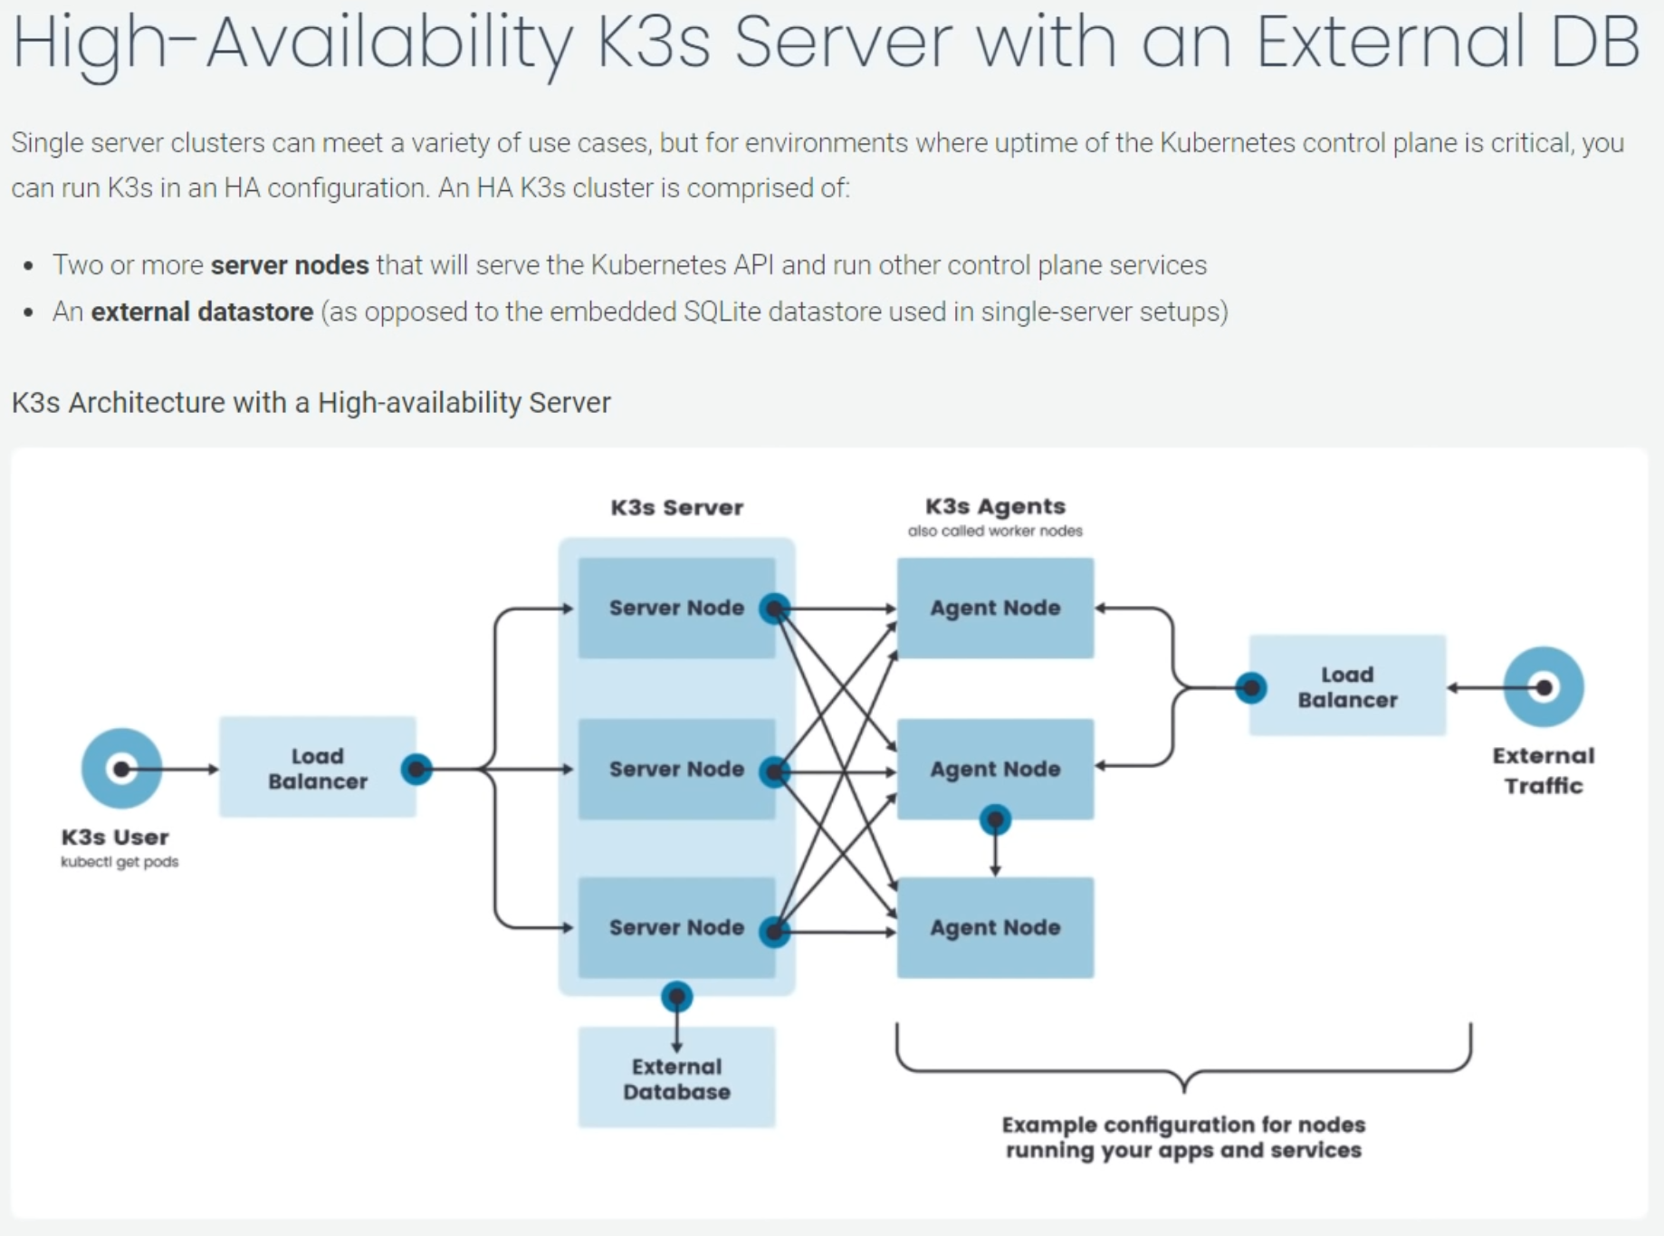
 |  |  |  |  |  |  |  |  |  |  |  |  |  |  |  |  |  | Try this terraform on the k3s cluster, etc:
 |  |  |  |  |  |  |  |  |  |  |  |  |  |  |  |  |  |  | https://registry.terraform.io/providers/hashicorp/kubernetes/latest/docs/guides/getting-started

 |  |  |  |  |  |  |  |  |  |  |  |  |  |  |  |  |  | plus read: | (from google search: terraform on premise kubernetes )
 |  |  |  |  |  |  |  |  |  |  |  |  |  |  |  |  |  |  | https://kubernetes.io/blog/2020/06/working-with-terraform-and-kubernetes/

 |  |  |  |  |  |  |  |  |  |  |  |  |  |  |  |  |  |  | https://www.hashicorp.com/blog/using-terraform-to-manage-multiple-kubernetes-clusters-on-premises-and-cloud

 |  |  |  |  |  |  |  |  |  |  |  |  |  |  |  |  |  |  | https://www.itwonderlab.com/en/ansible-kubernetes-vagrant-tutorial/

 |  |  |  |  |  |  |  |  |  |  |  |  |  |  |  |  |  |  | https://dzone.com/articles/the-depth-of-terraforming-a-kubernetes-cluster-1

 |  |  |  |  |  |  |  |  |  |  |  |  |  |  |  |  |  |  | https://medium.com/swlh/the-ultimate-guide-to-on-perm-kubernetes-84b564f0acc

 |  |  |  |  |  |  |  |  |  |  |  |  |  |  |  |  |  |  | https://upcloud.com/community/stories/terraform-kubernetes-provider/

 |  |  |  |  |  |  |  |  |  |  |  |  |  |  |  |  |  |  | https://www.infoq.com/news/2020/04/terraform-operator-kubernetes/

 |  |  |  |  |  |  |  |  |  |  |  |  |  |  |  |  |  |  | https://www.linode.com/docs/guides/how-to-provision-an-unmanaged-kubernetes-cluster-using-terraform/

